Deck TakeOff
 | DECKING ESTIMATE

CUSTOMER
JOB LOC

INPUTS FOR MATERIAL CALCULATIONS
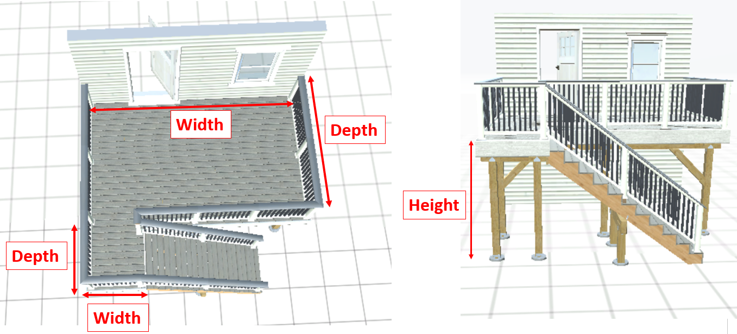

DECK 1 |  |  |  |  | DECK 2
Deck Grade |  | 2 x 8 Frame |  |  | Deck Grade |  | Select Frame Grade
Ledger Board |  | 20.00 | (lf) |  | Ledger Board |  |  | (lf)
Ledger attaches to… |  | Wood |  |  | Ledger attaches to… |  | Select Structure
Support Post Grade |  | 6x6 |  | (Ct) | Support Post Grade |  | Select Grade |  | (Ct)
Deck Width |  | 20.00 |  |  | Deck Width |  | 0.00
Deck Depth |  | 10.00 | ft |  | Deck Depth |  |  | ft
Deck Height |  | 5.00 | ft |  | Deck Height |  |  | ft
Picture Frame |  | 10.00 | lf |  | Picture Frame |  |  | lf
Beam Grade |  | Double by 8 | 5.00 | (lf) | Beam Grade |  | Select the Beam
Decking Area |  | 200.00 | sf |  | Decking Area |  | 0.00 | sf
STAIR 1 |  |  |  |  | STAIR 2
Width |  |  | ft |  | Width |  |  | ft
Riser |  |  | ft |  | Riser |  |  | ft
Support Post Grade |  | Select Grade |  | (Ct) | Support Post Grade |  | Select Grade |  | (Ct)
Beam Grade |  | Select the Beam |  | (lf) | Beam Grade |  | Select the Beam |  | (lf)
Railings on Both Sides? |  | Select… |  |  | Railings on Both Sides? |  | Select…
Handrail ? |  | 0.0 | lf |  | Handrail ? |  | 0.0 | lf
 |  | 0.00 | # risers |  |  |  | 0.00 | # risers
 |  | 0.00 | # treads |  |  |  | 0.00 | # treads

LANDING 1 |  | Select Frame Grade | Frame Grade |  | LANDING 2 |  | Select Frame Grade | Frame Grade
Width |  |  | ft |  | Width |  |  | ft
Depth |  |  | ft |  | Depth |  |  | ft
Height |  |  | ft |  | Height |  |  | ft
Ledger Board |  |  | (lf) |  | Ledger Board |  | 0.00 | lf
Ledger attaches to… |  | Select Structure |  |  | Ledger attaches to… |  | Select Structure
Support Post Grade |  | Select Grade |  | (Ct) | Support Post Grade |  | Select Grade |  | (Ct)
Picture Frame |  |  | lf |  | Picture Frame |  |  | lf
 |  | 0.00 | sf |  |  |  | 0.00 | sf

 |  |  |  | DO NOT use Structural Posts for cablerail
 |  |  |  | Flush Mount Structural Post 36" Rail Height |  | cts
 | 12" x 48" Sonotube | 0 | cts | Flush Mount Structural Post 42" Rail Height |  | cts |  | Gate to access under the deck |  | cts
Bigfooting |  | 10 | cts | 4x4 PT Posts (level only) |  | cts |  | 4x8 Lattice Panel |  | cts
Helical Piers |  | 10 | cts | 36" Composite Sleeves (Level only) |  | cts |  | 1x6 Lattice trim |  | lf
Concrete Pad |  | 0 | cts | 42" Composite Sleeves (Level only) |  | cts |  | Deck Fascia Board |  | lf
Using Tape on Joists |  | No |  |  |  |  |  | Water Table |  | lf
90 Deg Corners |  |  | cts | CABLERAIL INFO
 | 36" Height Deck Gate (No Wider than 48") |  |  | Total 36" Rail Length | 10 | lf |  | Farmer's Porch
 | 42" Height Deck Gate (No Wider than 48") |  |  | Total 42" Rail Length | 0 | lf |  | Ceiling Beam (PVC) |  | lf
6' x 36" Level Rail |  | 10 | cts | Stair Straght Sections of 36" Height |  | cts |  | 6" x 6" x 8.5' PVC Square Columns Wrap |  | cts
8' x 36" Level Rail |  |  | cts | Stair Straght Sections of 42" Height | 10 | cts |  | 8" x 8" x 8' Fiberglass Round Tapered Column |  | cts
6' x 42" Level Rail |  |  | cts | Level Straght Sections of 36" Height |  | cts |  | PVC Beaded Planks on Ceiling |  | sf
8' x 42" Level Rail |  |  | cts | Level Straght Sections of 42" Height |  | cts | T&G Fir on Ceiling (no stain) |  |  | sf
Splitted Rails |  | 10 | cts | Level Pickets | 10 | cts |  | Base Cap Molding (transition beam-ceiling) |  | lf
 |  |  |  | Stair Pickets | 0 | cts |  | Soffit trim (PVC) |  | lf
 |  |  |  | Pass Through Posts (level only) |  | cts |  | Roof Fascia (PVC) |  | lf

DTT1Z connectors (Tension Tie - 4 Pack) |  |  |  | cts (Lateral Load - 750 lb)
DTT2Z connectors (Tension Tie - 2 Pack) |  |  |  | cts (Lateral Load 1500 lb) - NEW CONTRUCTION

Extra Material |  |  |  |  | QTY | Unit Cost | Total Cost
1- |  |  |  |  |  |  | $0.00
2- |  |  |  |  |  |  | $0.00
3- |  |  |  |  |  |  | $0.00
4- |  |  |  |  |  |  | $0.00
5- |  |  |  |  |  |  | $0.00
6- |  |  |  |  |  |  | $0.00
 |  |  |  |  |  | TOTAL | $0.00

INPUTS FOR LABOR CALCULATIONS

Demolition |  |  | Hrs | Deck Fascia Wrap |  | $0.00 | lf
Footings |  | 0 | cts | Stringer Wrap |  |  | lf
Number of Joists |  | 20 | cts | Water Table |  |  | lf
Decking Boards Installation |  |  | sf | Lattice Trim |  |  | lf
4x4 Railing Post |  |  | cts | Lattice Panel |  |  | cts
Flush Mount Structural Post |  |  | cts | Gate to access under the deck |  |  | cts
Post Sleeve Installation |  |  | cts |  | Porch Ceiling |  | sf
 | Sections of Rail (wood/compoiste) |  | cts |  | Porch Fascia |  | lf
Picture Frame |  | 10 | lf | Porch Soffit |  |  | lf
Concrete Pad |  |  | cts
Number of Landings |  |  | cts
Number of Stairs |  |  | cts
Number of Treads (both stairs) |  | 0 | cts

Extra Labor |  |  |  |  |  | Total Cost
Siding Repair

 |  |  |  |  |  |  |  |  |  |  | $70.00 | any size

 |  |  |  |  |  |  |  |  |  |  | $9.00 | per sq

 |  |  |  |  |  |  |  |  |  |  | $- | any size
 |  |  |  |  |  |  |  |  |  |  | $3.00 | per sq
 |  |  |  |  |  |  |  |  |  |  | $8.00 | per sq

 |  |  |  |  |  |  |  |  |  |  | $9.00 | per sq

 |  |  |  |  |  |  |  |  |  |  | $- | any size

CODE
